E3 lifetimes
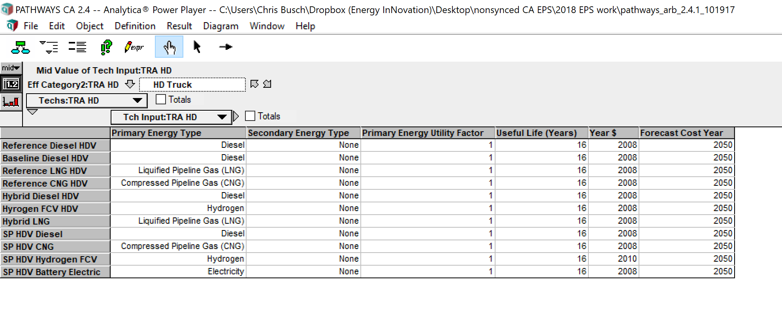
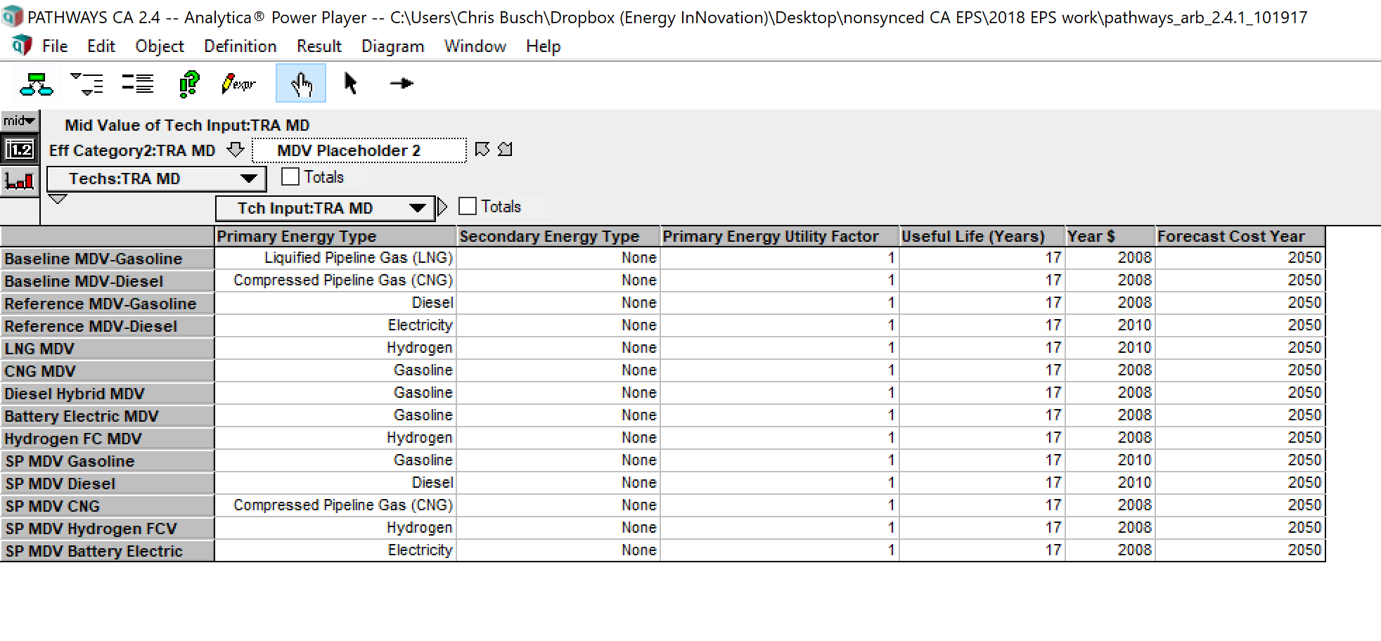
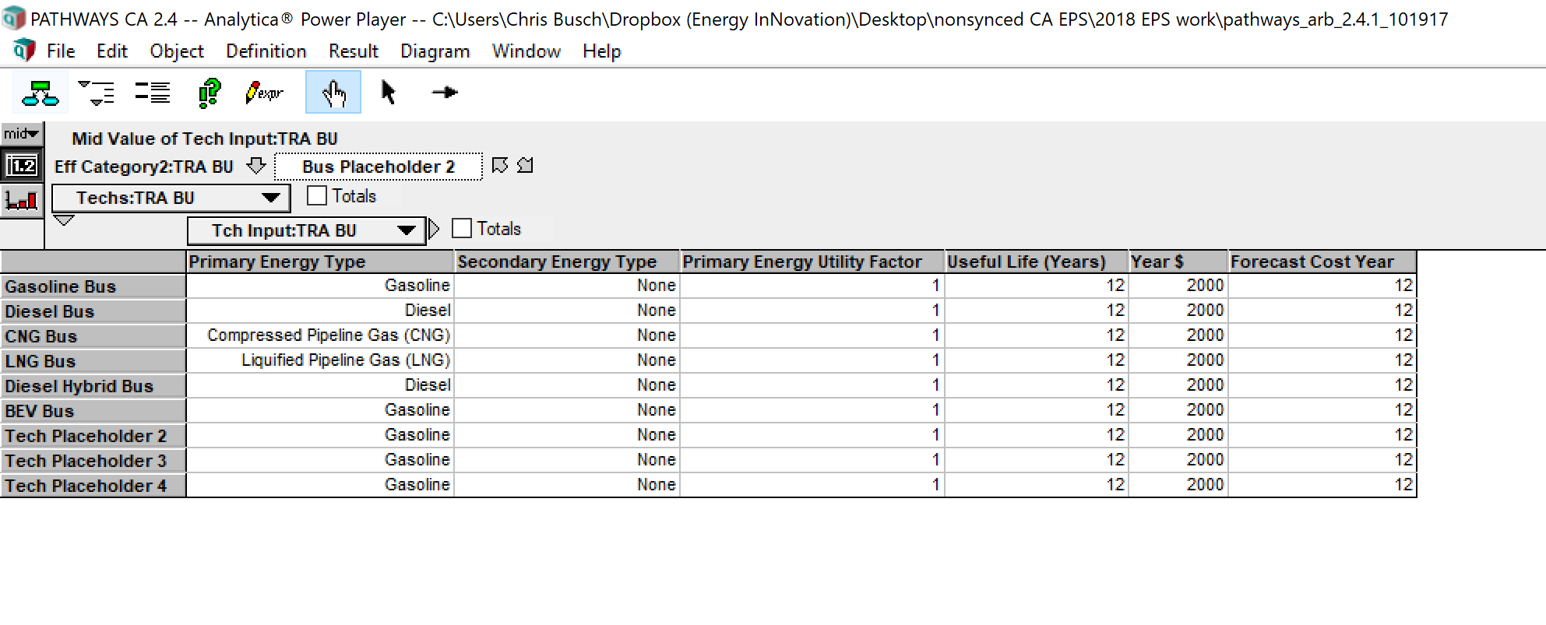
LDV passenger and LDV truck. | 17
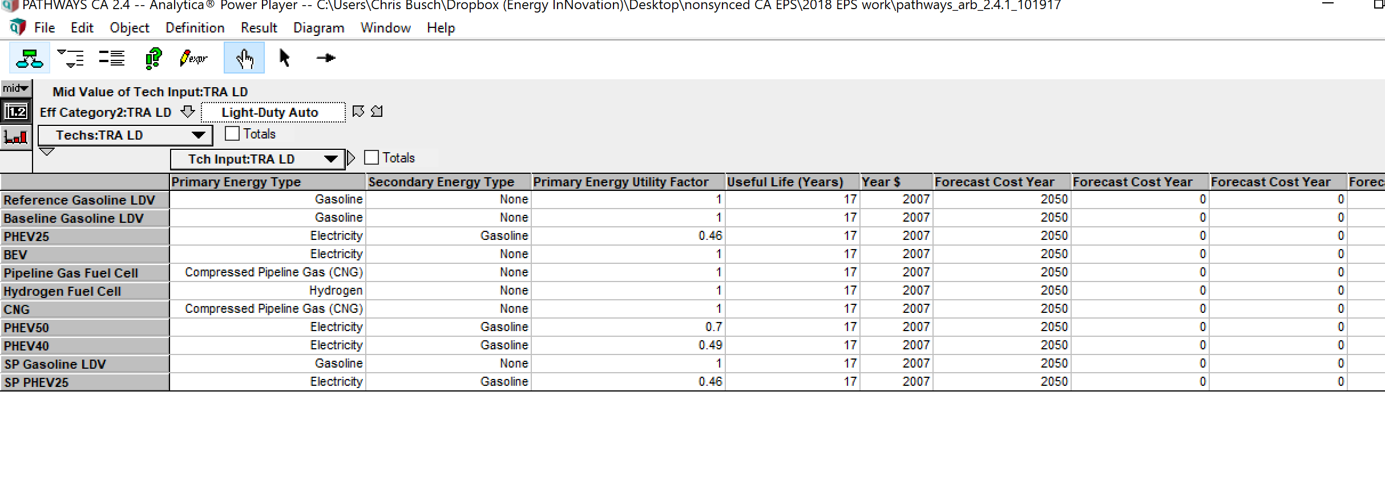
HDV | 16

EPS model does not allow for different HDV values. The model uses the HD truck value, seeing as HD trucks are a more important source of emissions.

